pyrolysis data
Data on pyrolysis reactors, collected by Mattias G. Ecotopic AB, and in BSc thesis from Helena S.

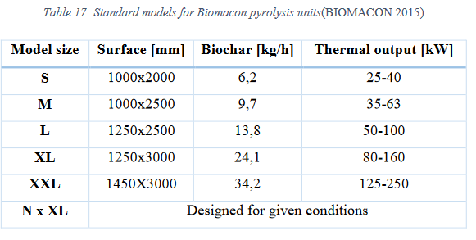
Biomacon Units |  |  | Lindeborgs |  |  |  | Hamilton + VegTech |  |  |  | FPP40 from Earth systems
 | Type | C40-3 | C63-3 | C100-3 | C160-3 | C250-3 | C400-3
 | Feed-In hight A [mm] | 1744 | 1760 | 1760 | 2118 | 2283 | 2283 |  |  |  | Hi Elias,
 | Total hight B [mm] | 1767 | 1768 | 1770 | 2127 | 2803 | 2803 |  |  |  | The best estimation I have at the moment for the Earth Systems FPP40 are estimated at 18t for the charmaker and 16t for the dryer. This is the transport weight where cadges, thermal oxidizer and more is included and I do not know how they have split the parts between the containers.
 | Width C [mm] | 1902 | 1902 | 1902 | 2554 | 5150 | 5150 |  |  |  | Best wishes,
 | Transport width [mm] | 1902 | 1902 | 1902 | 2554 | 2554 | 2554 |  |  |  | Mattias Gustafsson
 | Gate width (A) for installation room [mm] | 2102 | 2102 | 2102 | 2754 | 2754 | 2754 |  |  |  | https://bioenergyinternational.com/technology-suppliers/telge-atervinning-a-first-in-europe-for-aussie-biochar-technology
 | Total depth D [mm] | 4684 | 5169 | 5400 | 6192 | 8716 | 10258
 | Diameter exhaust gas pipe [mm] | 180 | 180 | 180 | 300 | 300 | 300 |  |  |  | Size: 12.19m long x 2.44m wide x 2.59m high, for the pyrolysis unit
 | Biochar discharge [mm] | 165 | 196 | 225 | 293 | 408 | 408
 | Weight [kg] | 4763 | 5562 | 7310 | 9257 | 14600 | 17607 |  |  |  | https://www.esenergy.com.au/charmaker-mpp-key-features
 | Nominal power [kW] | 40 | 63 | 100 | 160 | 250 | 400 |  |  |  | temperature range, 300-550C
 | Biochar output [kg/hour] from alt. Source | 6.2 | 9.7 | 13.8 | 24.1 | 34.2 | 55.1 |  |  |  | processing time, 4-5 hours
 | Annual uptime [hour/year] assumed | 7500 | 7500 | 7500 | 7500 | 7500 | 7500 |  |  |  | 38m3 biomass in, about 10-18 tonnes wet wood.
 |  |  |  |  |  |  |  |  |  |  | 2-4 tonnes biochar per batch https://www.esenergy.com.au/charmaker-mpp-key-features
Pyreg 500 | http://www.diva-portal.org/smash/get/diva2:1114266/FULLTEXT01.pdf |  |  |  |  |  |  |  |  | Pyreg 1500
 |  |  |  |  |  |  |  |  |  | See documents | Batch time | 5 | h
 |  |  |  |  |  |  |  |  |  |  | Loading-Unloading | 2 | h
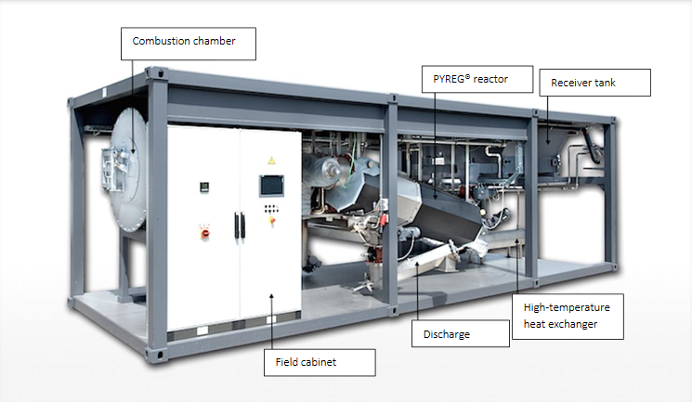
 | Type | P500 |  |  |  |  |  |  |  |  | Production per batch | 3 | tonnes
 | A PYREG®P-500 module consists of 2 modules a and an : |  |  |  |  |  |  |  |  |  | Annual use: | 500 | times
 |  |  |  |  |  |  |  |  |  |  | Hours in use | 3500 | hours
 | 1/ PYREG© module container, made of: |  |  |  |  |  |  |  |  |  | Uptime | 40% | (no night time operation?)
 | Receiver tank |  |  |  |  |  |  |  |  |  | Annual production: | 1500 | tonnes per year
 | PYREG reactor
 | Combustion chamber
 | Screw conveyor for ash discharge
 | Dimensions | 9000x3000x2800 mm (L/W/H)
 | Total weight | 14000 | kg

 | 2/ Exhaust technology container (not shown on picture), made of:
 | High-temperature heat exchanger
 | Field cabinet with automation technology
 | Fan for exhaust gas and combustion air
 | Exhaust gas scrubber (optional)
 | Cooling fan
 | Dimensions | 3000x3000x2800 mm (L/W/H)
 | Total weight | 4000 | kg

 | Details on each sub-components can be found in Appendix 3 from BSc Thesis

 | Electricity supply, max approx | 100000 | kWh/yr | 0.18181818182 | kWh/kg bc |  |  | LGP emission in ecoinvent, transport process
 | Pressurised water, approx | 150 | m3/yr, without scrubbing of exhaust gases |  |  |  |  | 1 | km driven
 | Pressurised water, approx | 900 | m3/yr, with scrubbing of exhaust gases | 1.6363636364 | kg water / kg bc |  |  | 0.057847 | kg LPG
 | Gas LPG supply, approx | 1500 | kg/yr | 0.0027272727273 | kg LPG /kg bc |  |  | 0.17234 | kg CO2
 |  |  |  |  |  |  |  | 0.0006653 | kg CO
 | Assembly space | 36 | m2 |  |  |  |  | thus, per kg LPG
 | Additional space for storage unit | 12 | m2 |  |  |  |  | 2.9792383356 | kg CO2
 | Additional space for big bag station | 6 | m2 |  |  |  |  | 0.011501028575 | kg CO

 | Performance parameters
 | Energy input | 500 | kW, max
 | Annual mass flow, input | 1850 | t/yr, max approx, original substance with 50% dry matter, with LHV > 10MJ/kg OS
 | Conversion rate | 60% | up to
 | Usable heat | 150 | kW th. Up to

ecoinvent
Unit processes used in ecoinvent 3.6 to model biomass furnaces
Manufacturing and disposal

Example: | furnace production, wood chips, with silo, 50kW |  |  |  |  | Example: | furnace production, wood chips, with silo, 300kW |  |  |  |  | Example | furnace production, wood chips, with silo, 1000kW |  |  |  |  | Example | furnace production, wood chips, with silo, 5000kW
 | CH |  |  |  |  |  |  |  |  |  |  |  | CH |  |  |  |  |  | CH
This dataset represent the production and the disposal of a wood chips burning furnace with a storage silo, typical for central heating system. |  |  |  |  |  | This dataset represent the production and the disposal of a wood chips burning furnace for local heating networks, with a storage silo for the wood chips. |  |  |  |  |  | This dataset represents the production and the disposal of a wood chips burning furnace for district heating networks, with the woodchips storage silo included. |  |  |  |  |  | This dataset represents the production and the disposal of a wood chips burning furnace for district heating networks, with the woodchips storage silo, with a lifetime of 20 years.
Geography: Could be used for Central European conditions |  |  |  |  |  | Geography: Could be used for Central European conditions |  |  |  |  |  | Geography: Could be used for Central European conditions |  |  |  |  |  | Geography: Could be used for Central European conditions
Technology: Boiler of modern technology available on the European and Swiss market, with combustion chamber in refractory bricks. The model of reference is a wood chips boiler from brand ETA, mod. Hack 50 kW. It was compared with two other boilers with similar technology (KWB Multifire 50 kW, Lindner&Sommerauer SL-T 50 kW). Austrian technology, commericialized and manufactured also in Switzerland (Swiss brand Buderus). |  |  |  |  |  | Technology: Source of image: http://www.froeling.com/ch/produkte/hackgut-ab-150kw/froeling-turbomat.html |  |  |  |  |  | Technology: Source of image: http://www.holzfeuerung.ch/index.php?ses=3a5003f8c163 |  |  |  |  |  | Technology: Source of image: http://www.uniconfort.com/en/global-model-boilers
Source of picture: http://www.eta.co.at/15.0.html |  |  |  |  |  | Furnace of modern technology available on the European and Swiss market, with tilting grate technology and combustion chambers in refractory bricks, designed for an optimal combustion process (cyclone integrated). The model of reference is a woodchip boiler, brand Froling mod.Turbomat 320 kW. It was compared with another model with similar technology, brand Schmid mod.Pyrotronic UTSR 300 kW. Represent the typical boiler for providing heat for local heating networks, commercial premises and multi-storey housing. |  |  |  |  |  | Boiler of modern technology available on European and Swiss market, with conveyor grate technology and combustion chambers in refractory bricks, designed for an optimal combustion process. The model of reference is a woodchips boiler, brand Uniconfort mod.Global with capacity of 1000 kW. It was compared with two other models with similar technology (Froling mod.Lambdamat 1000kW, Schmid mod.Pyrotronic UTSR 1000kW). Represent the typical boiler for a district heating network or for heating several industrial/residential buildings. |  |  |  |  |  | Boiler of modern technology available on the European and Swiss market, with conveyor grate technology and combustion chambers in refractory bricks, designed for an optimal combustion process. The model of reference is a woodchips boiler, brand Uniconfort mod.Global with capacity of 5000 kW. It was compared with another model with similar technology (Schmid mod.Pyrotronic UTSR 5000kW). Represent the typical boiler for a wide district heating network or for heating many industrial/residential buildings.
Image: |  |  |  |  |  | Image: https://db3.ecoinvent.org/images/a72d5cfd-c704-4fe4-8ea1-803b35adf55e |  |  |  |  |  | Image: |  |  |  |  |  | Image: https://db3.ecoinvent.org/images/246d4ed5-9cf1-4cf9-8227-4531e35e30b3
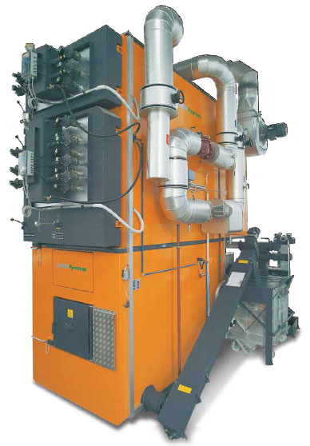
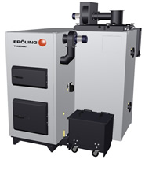
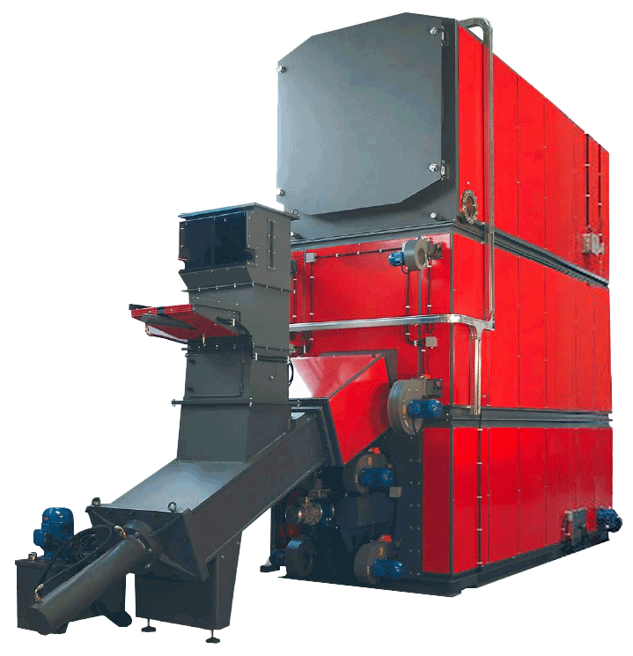
1.0 | unit | furnace, wood chips, with silo, 50kW |  |  |  |  |  |  |  |  |  | 1.0 | unit | furnace, wood chips, with silo, 1000kW

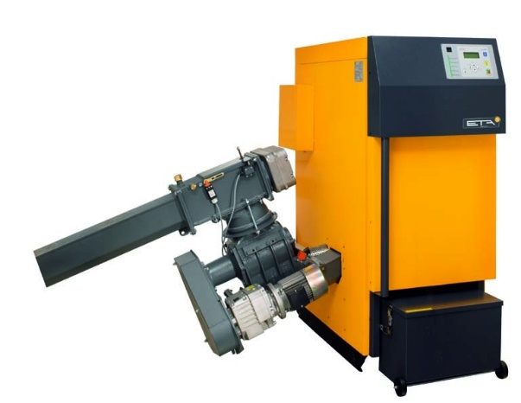
1600 | megajoule | heat, central or small-scale, other than natural gas | market for heat, central or small-scale, other than natural gas | CH |  | 4791 | kilogram | sheet rolling, steel | sheet rolling, steel | RER |  | 24424 | kilogram | steel, low-alloyed, hot rolled | market for steel, low-alloyed, hot rolled | GLO |  | 74820 | kilogram | steel, low-alloyed, hot rolled | market for steel, low-alloyed, hot rolled | GLO | ei_cutoff_36
936 | kilogram | steel, low-alloyed, hot rolled | market for steel, low-alloyed, hot rolled | GLO |  | 4791 | kilogram | steel, low-alloyed, hot rolled | market for steel, low-alloyed, hot rolled | GLO |  | 14200 | kilogram | refractory, fireclay, packed | market for refractory, fireclay, packed | GLO |  | 41220 | kilogram | refractory, fireclay, packed | market for refractory, fireclay, packed | GLO | ei_cutoff_36
528 | kilowatt hour | electricity, low voltage | market for electricity, low voltage | CH |  | 2700 | megajoule | heat, central or small-scale, other than natural gas | market for heat, central or small-scale, other than natural gas | CH |  | 5800 | megajoule | heat, central or small-scale, other than natural gas | market for heat, central or small-scale, other than natural gas | CH |  | 9570 | megajoule | heat, central or small-scale, other than natural gas | market for heat, central or small-scale, other than natural gas | CH | ei_cutoff_36
93 | kilogram | sheet rolling, steel | sheet rolling, steel | RER |  | 1330 | kilowatt hour | electricity, low voltage | market for electricity, low voltage | CH |  | 3560 | kilowatt hour | electricity, low voltage | market for electricity, low voltage | CH |  | 5874 | kilowatt hour | electricity, low voltage | market for electricity, low voltage | CH | ei_cutoff_36
78 | kilogram | cast iron | market for cast iron | GLO |  | 830 | kilogram | refractory, fireclay, packed | market for refractory, fireclay, packed | GLO |  | 805 | kilogram | sheet rolling, steel | sheet rolling, steel | RER |  | 2005 | kilogram | sheet rolling, steel | sheet rolling, steel | RER | ei_cutoff_36
55 | kilogram | refractory, fireclay, packed | market for refractory, fireclay, packed | GLO |  | 338 | kilogram | stone wool | market for stone wool | GLO |  | 700 | kilogram | cast iron | market for cast iron | GLO |  | 1115 | kilogram | cast iron | market for cast iron | GLO
49.5 | kilogram | stone wool | market for stone wool | GLO |  | 120 | kilogram | iron-nickel-chromium alloy | market for iron-nickel-chromium alloy | GLO |  | 476 | kilogram | stone wool | market for stone wool | GLO |  | 1846 | kilogram | stone wool | market for stone wool | GLO | ei_cutoff_36
19 | kilogram | polystyrene foam slab | market for polystyrene foam slab | GLO |  | 52 | kilogram | polystyrene foam slab | market for polystyrene foam slab | GLO |  | 320 | kilogram | iron-nickel-chromium alloy | market for iron-nickel-chromium alloy | GLO |  | 528 | kilogram | iron-nickel-chromium alloy | market for iron-nickel-chromium alloy | GLO | ei_cutoff_36
15 | kilogram | steel, chromium steel 18/8, hot rolled | market for steel, chromium steel 18/8, hot rolled | GLO |  | 40 | kilogram | steel, chromium steel 18/8, hot rolled | market for steel, chromium steel 18/8, hot rolled | GLO |  | 155 | kilogram | polystyrene foam slab | market for polystyrene foam slab | GLO |  | 361 | kilogram | polystyrene foam slab | market for polystyrene foam slab | GLO | ei_cutoff_36
8.63 | cubic meter | concrete, normal | market for concrete, normal | CH |  | 22.6 | cubic meter | concrete, normal | market for concrete, normal | CH |  | 63 | kilogram | aluminium, wrought alloy | market for aluminium, wrought alloy | GLO |  | 104 | kilogram | aluminium, wrought alloy | market for aluminium, wrought alloy | GLO | ei_cutoff_36
4 | kilogram | copper | market for copper | GLO |  | 7 | kilogram | copper | market for copper | GLO |  | 53 | kilogram | steel, chromium steel 18/8, hot rolled | market for steel, chromium steel 18/8, hot rolled | GLO |  | 70 | kilogram | steel, chromium steel 18/8, hot rolled | market for steel, chromium steel 18/8, hot rolled | GLO | ei_cutoff_36
3.5 | kilogram | polyethylene, high density, granulate | market for polyethylene, high density, granulate | GLO |  | 5.5 | kilogram | polyethylene, high density, granulate | market for polyethylene, high density, granulate | GLO |  | 53 | kilogram | drawing of pipe, steel | drawing of pipe, steel | RER |  | 70 | kilogram | drawing of pipe, steel | drawing of pipe, steel | RER | ei_cutoff_36
3 | kilogram | electronics, for control units | market for electronics, for control units | GLO |  | 5 | kilogram | alkyd paint, white, without solvent, in 60% solution state | market for alkyd paint, white, without solvent, in 60% solution state | RER |  | 38 | cubic meter | concrete, normal | market for concrete, normal | CH |  | 56 | cubic meter | concrete, normal | market for concrete, normal | CH | ei_cutoff_36
2.5 | kilogram | lubricating oil | market for lubricating oil | RER |  | 4.5 | kilogram | electronics, for control units | market for electronics, for control units | GLO |  | 28 | kilogram | copper | market for copper | GLO |  | 46 | kilogram | copper | market for copper | GLO | ei_cutoff_36
1 | kilogram | alkyd paint, white, without solvent, in 60% solution state | market for alkyd paint, white, without solvent, in 60% solution state | RER |  | 3.5 | kilogram | lubricating oil | market for lubricating oil | RER |  | 18 | kilogram | polyethylene, high density, granulate | market for polyethylene, high density, granulate | GLO |  | 18 | kilogram | polyethylene, high density, granulate | market for polyethylene, high density, granulate | GLO |  | ei_cutoff_36
-2.5 | kilogram | waste mineral oil | market for waste mineral oil | CH |  | -3.5 | kilogram | waste mineral oil | market for waste mineral oil | CH |  | 12 | kilogram | electronics, for control units | market for electronics, for control units | GLO |  | 12 | kilogram | electronics, for control units | market for electronics, for control units | GLO | ei_cutoff_36
-3 | kilogram | electronics scrap from control units | market for electronics scrap from control units | GLO |  | -4.5 | kilogram | electronics scrap from control units | market for electronics scrap from control units | GLO |  | 7 | kilogram | alkyd paint, white, without solvent, in 60% solution state | market for alkyd paint, white, without solvent, in 60% solution state | RER |  | 12 | kilogram | alkyd paint, white, without solvent, in 60% solution state | market for alkyd paint, white, without solvent, in 60% solution state | RER | ei_cutoff_36
-3.5 | kilogram | waste polyethylene | market for waste polyethylene | CH |  | -5.5 | kilogram | waste polyethylene | market for waste polyethylene | CH |  | 7 | kilogram | lubricating oil | market for lubricating oil | RER |  | 32 | kilogram | lubricating oil | market for lubricating oil | RER | ei_cutoff_36
-4 | kilogram | scrap copper | market for scrap copper | CH |  | -7 | kilogram | scrap copper | market for scrap copper | CH |  | -7 | kilogram | waste mineral oil | market for waste mineral oil | CH |  | -32 | kilogram | waste mineral oil | market for waste mineral oil | CH
-19 | kilogram | waste polystyrene isolation, flame-retardant | market for waste polystyrene isolation, flame-retardant | CH |  | -12 | kilogram | scrap aluminium | market for scrap aluminium | CH |  | -12 | kilogram | electronics scrap from control units | market for electronics scrap from control units | GLO |  | -12 | kilogram | electronics scrap from control units | market for electronics scrap from control units | GLO
-49.5 | kilogram | waste mineral wool, for final disposal | market for waste mineral wool, final disposal | CH |  | -52 | kilogram | waste polystyrene isolation, flame-retardant | market for waste polystyrene isolation, flame-retardant | CH |  | -18 | kilogram | waste polyethylene | market for waste polyethylene | CH |  | -18 | kilogram | waste polyethylene | market for waste polyethylene | CH | ei_cutoff_36
-55 | kilogram | inert waste, for final disposal | market for inert waste, for final disposal | CH |  | -338 | kilogram | waste mineral wool, for final disposal | market for waste mineral wool, final disposal | CH |  | -28 | kilogram | scrap copper | market for scrap copper | CH |  | -46 | kilogram | scrap copper | market for scrap copper | CH | ei_cutoff_36
-78 | kilogram | iron scrap, unsorted | iron scrap, unsorted, Recycled Content cut-off | GLO |  | -830 | kilogram | inert waste, for final disposal | market for inert waste, for final disposal | CH |  | -63 | kilogram | scrap aluminium | market for scrap aluminium | CH |  | -104 | kilogram | scrap aluminium | market for scrap aluminium | CH | ei_cutoff_36
-951 | kilogram | scrap steel | market for scrap steel | CH |  | -4951 | kilogram | scrap steel | market for scrap steel | CH |  | -155 | kilogram | waste polystyrene isolation, flame-retardant | market for waste polystyrene isolation, flame-retardant | CH |  | -361 | kilogram | waste polystyrene isolation, flame-retardant | market for waste polystyrene isolation, flame-retardant | CH | ei_cutoff_36
-20288 | kilogram | waste concrete | market for waste concrete | CH |  | -53004 | kilogram | waste concrete | market for waste concrete | CH |  | -476 | kilogram | waste mineral wool, for final disposal | market for waste mineral wool, final disposal | CH |  | -1846 | kilogram | waste mineral wool, for final disposal | market for waste mineral wool, final disposal | CH
 |  |  |  |  |  |  |  |  |  |  |  | -700 | kilogram | iron scrap, unsorted | iron scrap, unsorted, Recycled Content cut-off | GLO |  | -1115 | kilogram | iron scrap, unsorted | iron scrap, unsorted, Recycled Content cut-off | GLO | ei_cutoff_36
 |  |  |  |  |  |  |  |  |  |  |  | -14200 | kilogram | inert waste, for final disposal | market for inert waste, for final disposal | CH |  | -41220 | kilogram | inert waste, for final disposal | market for inert waste, for final disposal | CH | ei_cutoff_36
 |  |  |  |  |  |  |  |  |  |  |  | -24477 | kilogram | scrap steel | market for scrap steel | CH |  | -74890 | kilogram | scrap steel | market for scrap steel | CH | ei_cutoff_36
 |  |  |  |  |  |  |  |  |  |  |  | -89300 | kilogram | waste concrete | market for waste concrete | CH |  | -131600 | kilogram | waste concrete | market for waste concrete | CH | ei_cutoff_36

460 | square meter-year | Occupation, industrial area | natural resource - land | biosphere3 |  | 1540 | square meter-year | Occupation, industrial area | natural resource - land | biosphere3 |  | 2400 | square meter-year | Occupation, industrial area | natural resource - land | biosphere3 |  | 8400 | square meter-year | Occupation, industrial area | natural resource - land | biosphere3
23 | square meter | Transformation, from unspecified | natural resource - land | biosphere3 | CORINE x | 77 | square meter | Transformation, from unspecified | natural resource - land | biosphere3 | CORINE x | 120 | square meter | Transformation, from unspecified | natural resource - land | biosphere3 | CORINE x | 420 | square meter | Transformation, from unspecified | natural resource - land | biosphere3 | CORINE x
23 | square meter | Transformation, to industrial area | natural resource - land | biosphere3 | CORINE 121a | 77 | square meter | Transformation, to industrial area | natural resource - land | biosphere3 | CORINE 121a | 120 | square meter | Transformation, to industrial area | natural resource - land | biosphere3 | CORINE 121a | 420 | square meter | Transformation, to industrial area | natural resource - land | biosphere3 | CORINE 121a

 |  |  |  |  |  | Reactor weight | 6330 | kg, dry weight (empty water tanks)
Reactor footprint | 0.9 | square meter | https://www.eta.co.at/produkte/produktuebersicht/pellets/eta-pc-20-bis-105-kw/ |  |  | Reactor footprint | 9.29 | m2
 | 25.6 |  |  |  |  |  | 8.29
 |  |  |  |  |  |  | https://www.froeling.com/fileadmin/content/produkte/Prospekte_Flyer/DE/DE_Prospekt_Turbomat.pdf

scaling
Technosphere input ratios ratios, as function of reactor weight
Material ratios as function of capacity
 |  |  |  |  |  |  |  |  |  |  |  |  |  |  |  |  |  |  | Left Col | 2
 |  |  |  |  |  |  |  |  |  |  |  |  |  |  |  |  |  |  | Right Col | 3
 |  |  |  |  |  |  |  | Ratios relative to plant 1, by scale |  |  |  |  | 0 | 1 | 2 | 3 | 4 | Weight | Base values | New values
Analysis - |  | Plant 1 | Plant 2 | Plant 3 | Plant 4 |  | P1 | P2 | P3 | P4 |  |  |  | 1.2 | 6.2 | 40.5 | 120.2 | 12
 | Capacity, kW | 50 | 300 | 1000 | 5000 | Capacity, kW | 1 | 6 | 20 | 100 |  |  | Summed weight, ton | 1.0 | 5.3 | 34.7 | 103.0 | osef
 | Heat, MJ | 1600 | 2700 | 5800 | 9570 | Heat, MJ | 1.0 | 1.7 | 3.6 | 6.0 |  |  | Capacity, kW | 1.0 | 6.0 | 20.0 | 100.0 | osef
 | Electricity, kWh | 528 | 1330 | 3560 | 5874 | Electricity, kWh | 1.0 | 2.5 | 6.7 | 11.1 |  |  | Heat, MJ | 1.0 | 1.7 | 3.6 | 6.0 | 2.1 | 1600 | 3405.8
 | Electronic parts, kg | 3 | 4.5 | 12 | 12 | Electronic parts, kg | 1.0 | 1.5 | 4.0 | 4.0 |  |  | Electricity, kWh | 1.0 | 2.5 | 6.7 | 11.1 | 3.5 | 528 | 1837.7
 | Steel + iron, kg | 1029 | 4951 | 25560 | 76637 | Steel + iron, kg | 1.0 | 4.8 | 24.8 | 74.5 |  |  | Electronic parts, kg | 1.0 | 1.5 | 4.0 | 4.0 | 2.1 | 3 | 6.2
 | Plastic parts, kg | 3.5 | 5.5 | 18 | 18 | Plastic parts, kg | 1.0 | 1.6 | 5.1 | 5.1 |  |  | Steel + iron, kg | 1.0 | 4.8 | 24.8 | 74.5 | 9.4 | 1029 | 9643.1
 | Paint | 1 | 5 | 7 | 12 | Paint | 1.0 | 5.0 | 7.0 | 12.0 |  |  | Plastic parts, kg | 1.0 | 1.6 | 5.1 | 5.1 | 2.4 | 3.5 | 8.3
 | Lubricating oil, kg | 2.5 | 3.5 | 7 | 32 | Lubricating oil, kg | 1.0 | 1.4 | 2.8 | 12.8 |  |  | Paint | 1.0 | 5.0 | 7.0 | 12.0 | 5.5 | 1 | 5.5
 | Refractory clay, kg | 55 | 830 | 14200 | 41220 | Refractory clay, kg | 1.0 | 15.1 | 258.2 | 749.5 |  |  | Lubricating oil, kg | 1.0 | 1.4 | 2.8 | 12.8 | 1.7 | 2.5 | 4.3
 | Summed weight, kg | 1166.5 | 6196.5 | 40463 | 120184 | Summed weight, kg | 1.0 | 5.3 | 34.7 | 103.0 |  |  | Refractory clay, kg | 1.0 | 15.1 | 258.2 | 749.5 | 70.4 | 55 | 3874.0
 | Summed weight, ton | 1.2 | 6.2 | 40.5 | 120.2 | Summed weight, ton | 1.0 | 5.3 | 34.7 | 103.0
 | Footprint, m2 | 23 | 77 | 120 | 420 | Footprint, m2 | 1.0 | 3.3 | 5.2 | 18.3

 |  |  |  |  |  | Left col | 2 | 3 | 1 | 2 | 2 | 2
 | Linear regression, between 2 plants of closest mass |  |  |  |  | Right col | 3 | 4 | 2 | 3 | 3 | 3

 | Plant | P1 | P2 | P3 | P4 | Plant | P500 | P1500 | BMC160 | BMC400 | BioGreen | MMT
 | Weight, tonnes | 1.17 | 6.20 | 40.46 | 120.18 | Weight, tonnes | 18 | 60 | 5.562 | 17.6 | 35 | 18
 | steel, low-alloyed, hot rolled | 936 | 4791 | 24424 | 74820 |  | 11554 | 36774 | 4305 | 11325 | 21294 | 11554
 | refractory, fireclay, packed | 55 | 830 | 14200 | 41220 |  | 5435 | 20822 | 732 | 5279 | 12068 | 5435
 | heat, central or small-scale, other than natural gas | 1600 | 2700 | 5800 | 9570 |  | 3768 | 6724 | 2561 | 3732 | 5306 | 3768
 | electricity, low voltage | 528 | 1330 | 3560 | 5874 |  | 2098 | 4127 | 1229 | 2072 | 3204 | 2098
 | sheet rolling, steel | 93 | 184 | 805 | 2005 |  | 398 | 1099 | 173 | 391 | 706 | 398
 | cast iron | 78 | 0 | 700 | 1115 |  | 241 | 802 | 10 | 233 | 588 | 241
 | stone wool | 49.5 | 338 | 476 | 1846 |  | 386 | 812 | 302 | 384 | 454 | 386
 | iron-nickel-chromium alloy | 0 | 120 | 320 | 528 |  | 189 | 371 | 105 | 187 | 288 | 189
 | polystyrene foam slab | 19 | 52 | 155 | 361 |  | 87 | 205 | 48 | 86 | 139 | 87
 | aluminium, wrought alloy | 0 | 0 | 63 | 104 |  | 22 | 73 | 0 | 21 | 53 | 22
 | steel, chromium steel 18/8, hot rolled | 15 | 40 | 53 | 70 |  | 44 | 57 | 37 | 44 | 51 | 44
 | drawing of pipe, steel | 0 | 0 | 53 | 70 |  | 18 | 57 | 0 | 18 | 45 | 18
 | concrete, normal | 8.63 | 22.6 | 38 | 56 |  | 28 | 42 | 21 | 28 | 36 | 28
 | copper | 4 | 7 | 28 | 46 |  | 14 | 32 | 7 | 14 | 25 | 14
 | polyethylene, high density, granulate | 3.5 | 5.5 | 18 | 18 |  | 10 | 18 | 5 | 10 | 16 | 10
 | electronics, for control units | 3 | 4.5 | 12 | 12 |  | 7 | 12 | 4 | 7 | 11 | 7
 | alkyd paint, white, without solvent, in 60% solution state | 1 | 5 | 7 | 12 |  | 6 | 8 | 4 | 6 | 7 | 6
 | lubricating oil | 2.5 | 3.5 | 7 | 32 |  | 5 | 13 | 3 | 5 | 6 | 5
 | waste mineral oil | -2.5 | -3.5 | -7 | -32 |  | -5 | -13 | -3 | -5 | -6 | -5
 | electronics scrap from control units | -3 | -4.5 | -12 | -12 |  | -7 | -12 | -4 | -7 | -11 | -7
 | waste polyethylene | -3.5 | -5.5 | -18 | -18 |  | -10 | -18 | -5 | -10 | -16 | -10
 | scrap copper | -4 | -7 | -28 | -46 |  | -14 | -32 | -7 | -14 | -25 | -14
 | scrap aluminium | 0 | -12 | -63 | -104 |  | -30 | -73 | -10 | -29 | -55 | -30
 | waste polystyrene isolation, flame-retardant | -19 | -52 | -155 | -361 |  | -87 | -205 | -48 | -86 | -139 | -87
 | waste mineral wool, for final disposal | -49.5 | -338 | -476 | -1846 |  | -386 | -812 | -302 | -384 | -454 | -386
 | iron scrap, unsorted | -78 | 0 | -700 | -1115 |  | -241 | -802 | -10 | -233 | -588 | -241
 | inert waste, for final disposal | -55 | -830 | -14200 | -41220 |  | -5435 | -20822 | -732 | -5279 | -12068 | -5435
 | scrap steel | -951 | -4951 | -24477 | -74890 |  | -11677 | -36832 | -4446 | -11449 | -21364 | -11677
 | waste concrete | -20288 | -53004 | -89300 | -131600 |  | -65507 | -99666 | -48877 | -65083 | -83513 | -65507
 | Occupation, industrial area | 460 | 1540 | 2400 | 8400 |  | 1836 | 3870 | 1404 | 1826 | 2263 | 1836
 | Transformation, from unspecified | 23 | 77 | 120 | 420 |  | 92 | 194 | 70 | 91 | 113 | 92
 | Transformation, to industrial area | 23 | 77 | 120 | 420 |  | 92 | 194 | 70 | 91 | 113 | 92

pyreg500
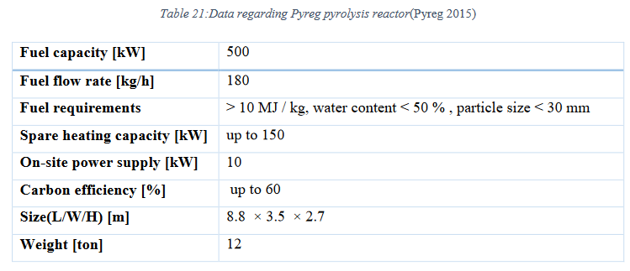
Pyreg 500
Manufacturing and disposal
Based on ecoinvent unit processes for manufacturing of furnances
Adjusting amounts based on weight of the machine |  |  |  | Weight by volume, for upscaling to P1500
 |  |  |  | 0.086206896552 | t/m3
Lifetime | 20 | years
Capacity | 500 | kW, biomass in
Biochar production | 190 | t/yr | https://www.pyreg.de/wp-content/uploads/2020_pyreg_brochure_biomass_EN.pdf
LCA ratio per kg biochar | 2.632E-07 | plant unit per kg biochar
Transport distance, road | 1200 | km | Hamburg-Uppsala, by road
Transport distance, ship | 0 | km |  |  |  |  | 36 | m2
Footprint | 36 | m2 | Footprint of the actual plant, while in ecoinvent, may include more space around and silo |  |  |  | 5.8 | m
Height | 5.8 | m
Weight | 18 | tonnes | 14 t main module, 4 t for heat exchanger and gas cleaning

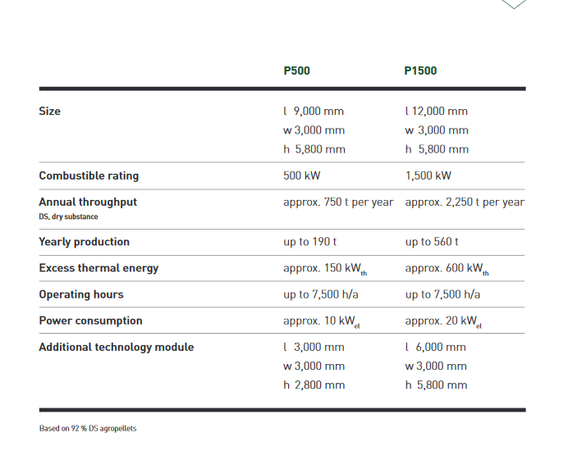
 | amount | unit | product | activity | region | key
 | 11553.82 | kilogram | steel, low-alloyed, hot rolled | market for steel, low-alloyed, hot rolled | GLO | ('ei_cutoff_36', 'bcbd879f69e35215acd79231704c7fdc')
 | 5435.45 | kilogram | refractory, fireclay, packed | market for refractory, fireclay, packed | GLO | ('ei_cutoff_36', '98d12075de26b147df7d83e95f888de8')
 | 3767.83 | megajoule | heat, central or small-scale, other than natural gas | market for heat, central or small-scale, other than natural gas | CH | ('ei_cutoff_36', '90bdce9febd5ee1332d9cd0d005ee996')
 | 2098.15 | kilowatt hour | electricity, low voltage | market for electricity, low voltage | CH | ('ei_cutoff_36', '27d5aaca02d3aa66aca42129cbfb6246')
 | 398.01 | kilogram | sheet rolling, steel | sheet rolling, steel | RER | ('ei_cutoff_36', 'bde12088c6224b6c5c5a3092e4246957')
 | 241.12 | kilogram | cast iron | market for cast iron | GLO | ('ei_cutoff_36', 'ed05f4053fcc2ff9f297cdd3039bd2e0')
 | 385.54 | kilogram | stone wool | market for stone wool | GLO | ('ei_cutoff_36', '1b09181e61ae0e0f82174f0e7b09f827')
 | 188.89 | kilogram | iron-nickel-chromium alloy | market for iron-nickel-chromium alloy | GLO | ('ei_cutoff_36', '640f5193b1c59a1a21bf4dc17a848637')
 | 87.48 | kilogram | polystyrene foam slab | market for polystyrene foam slab | GLO | ('ei_cutoff_36', '4807b642d5ad18d8171586dbe553000e')
 | 21.70 | kilogram | aluminium, wrought alloy | market for aluminium, wrought alloy | GLO | ('ei_cutoff_36', '88502cc0cdc26c2a9643cd707721b5e4')
 | 44.48 | kilogram | steel, chromium steel 18/8, hot rolled | market for steel, chromium steel 18/8, hot rolled | GLO | ('ei_cutoff_36', 'bd08b2fae561fd53d02dc0827d605798')
 | 18.26 | kilogram | drawing of pipe, steel | drawing of pipe, steel | RER | ('ei_cutoff_36', 'be2173bcb9cdc4e0db0711cd2ac79778')
 | 27.90 | cubic meter | concrete, normal | market for concrete, normal | CH | ('ei_cutoff_36', '7893c696024a5e6e4fda701f34a8c246')
 | 14.23 | kilogram | copper | market for copper | GLO | ('ei_cutoff_36', 'b4f2456cf9cbe7dfeb67c91780bd3e38')
 | 9.81 | kilogram | polyethylene, high density, granulate | market for polyethylene, high density, granulate | GLO | ('ei_cutoff_36', '3e391b67aca2fc0bb829b0b04451bef5')
 | 7.08 | kilogram | electronics, for control units | market for electronics, for control units | GLO | ('ei_cutoff_36', '26561d30ca7d9fa3fa69b3152bd72a55')
 | 5.69 | kilogram | alkyd paint, white, without solvent, in 60% solution state | market for alkyd paint, white, without solvent, in 60% solution state | RER | ('ei_cutoff_36', '0f5ed29b7475105fcab8a2f009906eb4')
 | 4.71 | kilogram | lubricating oil | market for lubricating oil | RER | ('ei_cutoff_36', 'ea81fd5da7acc50eaa03c0ac34868030')
 | -4.71 | kilogram | waste mineral oil | market for waste mineral oil | CH | ('ei_cutoff_36', 'a668bccebfdedd14d27815c9771db57e')
 | -7.08 | kilogram | electronics scrap from control units | market for electronics scrap from control units | GLO | ('ei_cutoff_36', 'e10f2730ef93941a19f4f9fddce7a53a')
 | -9.81 | kilogram | waste polyethylene | market for waste polyethylene | CH | ('ei_cutoff_36', 'b0c85b6d3b1fcbe01727668de86f2db5')
 | -14.23 | kilogram | scrap copper | market for scrap copper | CH | ('ei_cutoff_36', '2428888f15e5bebf4af25a0518767b0e')
 | -29.57 | kilogram | scrap aluminium | market for scrap aluminium | CH | ('ei_cutoff_36', '22b54f34063b85ead042d81cbc2ac07b')
 | -87.48 | kilogram | waste polystyrene isolation, flame-retardant | market for waste polystyrene isolation, flame-retardant | CH | ('ei_cutoff_36', '6902caccae1978984a0dc7a4c97e85b9')
 | -385.54 | kilogram | waste mineral wool, for final disposal | market for waste mineral wool, final disposal | CH | ('ei_cutoff_36', 'aeef600aff39cda78a11dcf3f4043d2e')
 | -241.12 | kilogram | iron scrap, unsorted | iron scrap, unsorted, Recycled Content cut-off | GLO | ('ei_cutoff_36', 'a053a053eb94176b8e28119aad0d916f')
 | -5435.45 | kilogram | inert waste, for final disposal | market for inert waste, for final disposal | CH | ('ei_cutoff_36', 'bd87b896984018e6d0e5c3adb6710895')
 | -11676.96 | kilogram | scrap steel | market for scrap steel | CH | ('ei_cutoff_36', '721e1adea067e2064595d1931b96d739')
 | -65506.59 | kilogram | waste concrete | market for waste concrete | CH | ('ei_cutoff_36', '60eed578fdcf85798c93cd9647bb8467')
 | 1836.24 | square meter-year | Occupation, industrial area | natural resource - land | biosphere3 | ('biosphere3', 'fe9c3a98-a6d2-452d-a9a4-a13e64f1b95b')
 | 91.81 | square meter | Transformation, from unspecified | natural resource - land | biosphere3 | ('biosphere3', '29630a65-f38c-48a5-9744-c0121f586640')
 | 91.81 | square meter | Transformation, to industrial area | natural resource - land | biosphere3 | ('biosphere3', '4624deff-2016-41d4-b2bf-3db8dab88779')
 | 21600 | ton kilometer | transport, freight, lorry 16-32 metric ton, EURO6 | MRG transport, freight, lorry 16-32 metric ton, EURO6 | RER | ('background-system', '54b1b234e1ee7969eee83577287ae5a3_copy1')
 | 0 | ton kilometer | transport, freight, lorry 7.5-16 metric ton, EURO6 | MRG transport, freight, lorry 7.5-16 metric ton, EURO6 | RER | ('background-system', '9a8353163bc2be747f7e11af4f7f1b6a_copy1')
 | 0 | ton kilometer | transport, freight, lorry >32 metric ton, EURO6 | MRG transport, freight, lorry >32 metric ton, EURO6 | RER | ('background-system', 'e070d1bbf7f78a1b5eaf1f2576904cdc_copy1')
 | 0 | ton kilometer | transport, freight, sea, container ship | MRG transport, freight, sea, container ship | GLO | ('background-system', 'b9bbf27802ab228a297bf10e06c93059_copy1')

